Task_01
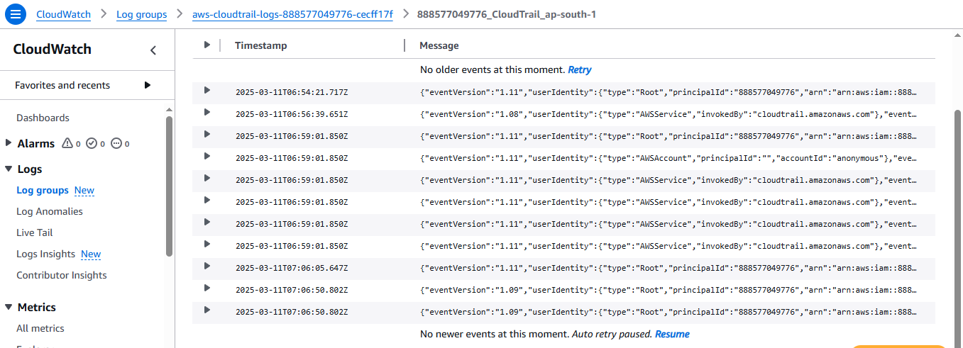
Tak_01
 |  | Create a S3 bucket, with no public access and upload files to the bucket & view the logs

 | Created S3 Bucket
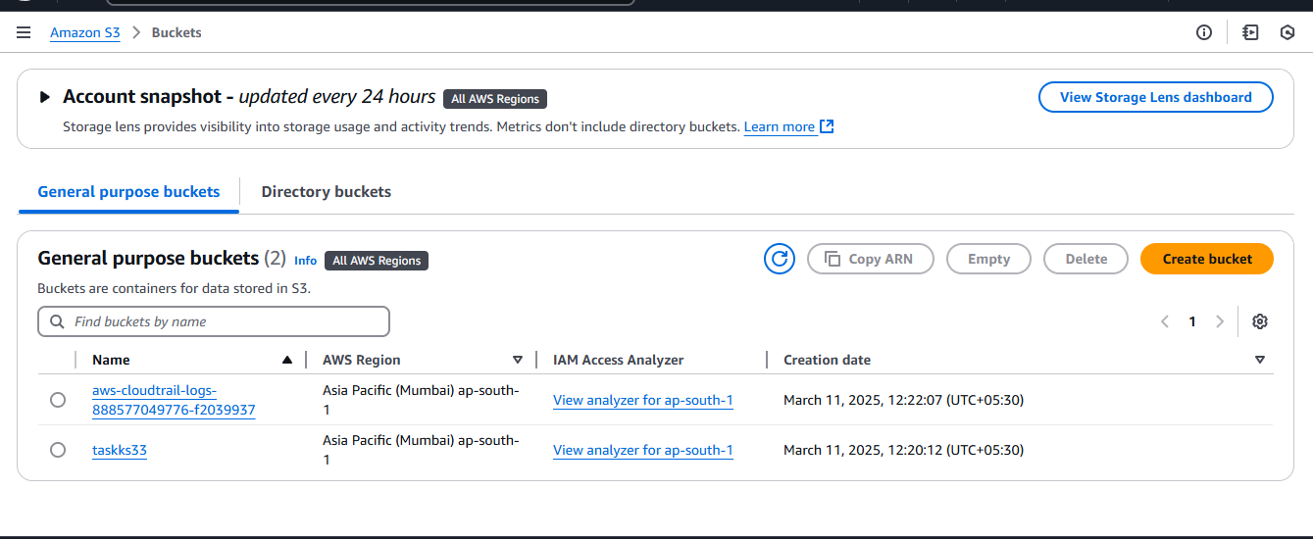

 | No Public Access in My S3 bucket
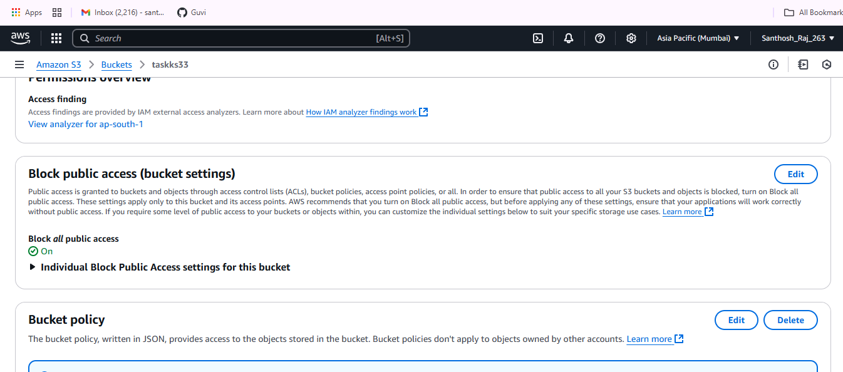

 | Cloudwatch Logs

Task _ 02
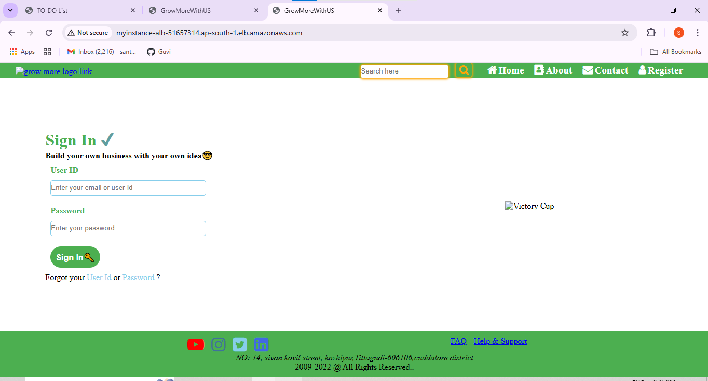
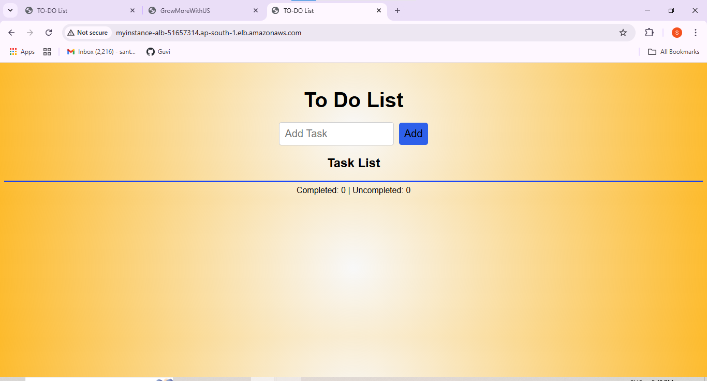
Task _ 02
 | Launch two ec2-instances and ALB Output

EC2_Second_instance | IP Address : 3.109.121.213

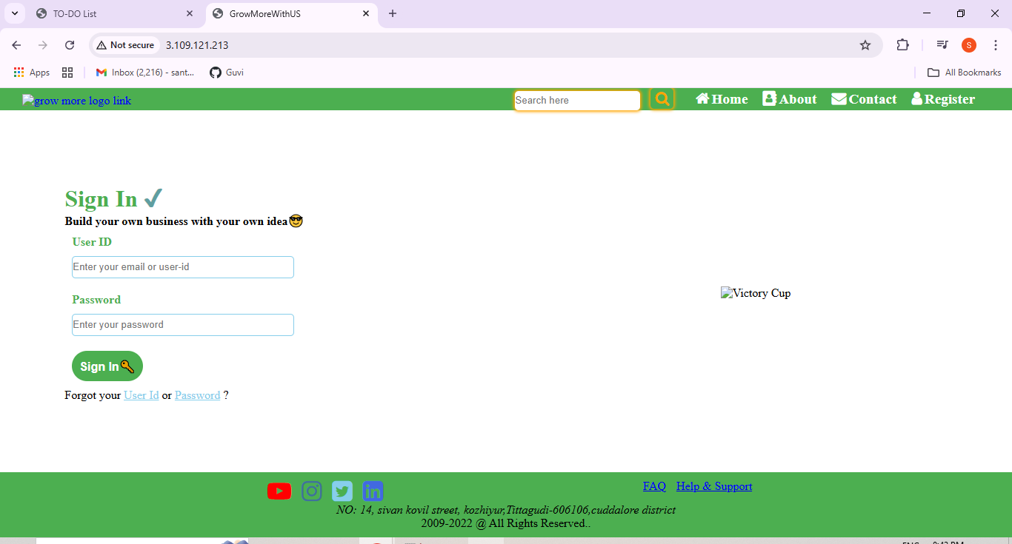

Second_Ec2_instance | IP address : 43.204.238.19

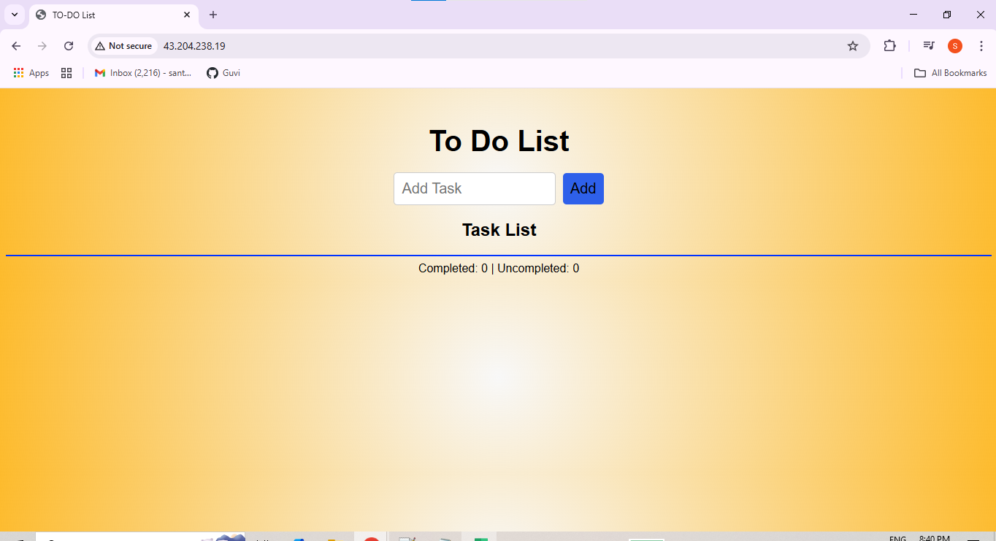

Final ALB Output | ALB DNS : myinstance-ALB-51657314.ap-south-1.elb.amazonaws.com

